Sheet1
Bug Report

Project Name | Proxify
Assign to | Developer
Tested By | Ashish Dadhich
Reviewed By | Self-Reviewed
Start Date | 06/03/2025
End Date | 06/04/2025
Browser/Os | Window10/ Chrome/Edge
Assigned To | Ashish Dadhich
Proiority | High, Medium, Low
Status | Open

Test Scenario ID | Test Case ID | Test Case Description | Test Steps | Test Data | Priority | Severity | Browser | Expected Result | Actual Result | Status | Screenshot | Comment
TS_001 | TC_015 | verify Forgot password | 1. Open The Browser. 2. visit to https://proxify.gg/login | NA | High | High | MicroSoft Edge | Forgot Password option are available and user are able to Forgot Password | Forgot Password option not available | Fail | 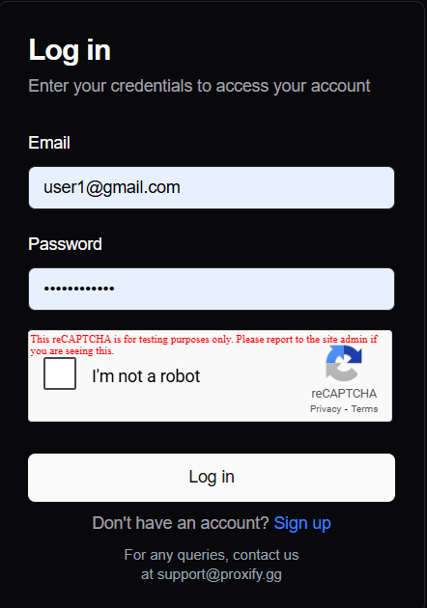 | Add a forgot password
 | TC_016 | Verify Login after Logout | 1. Open The Browser. 2. visit to https://proxify.gg/login 3. Login with valid input 4. Logout and try relogin | Email- user1@gmail.com Password- user1@gmail.com | High | High | MicroSoft Edge | User should able to Relogin | User should not able to relogin | Fail | 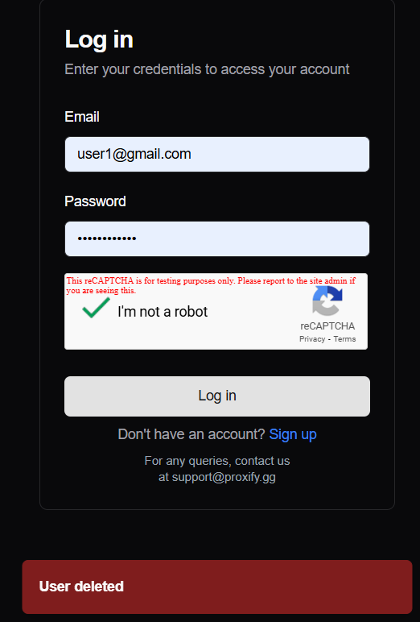 | Most of the case user should not able to relogin
TS_002 | TC_002 | Validate signup functionality with already registered email | 1. Enter valid username 2. Enter already registered email 3. Enter valid password 4. Solve reCAPTCHA 5. Click 'Sign up' button | Email: user1@gmail.com Pass- 6Xw5gf51Z39n | High | High | MicroSoft Edge | System should display an error message about email already in use | System should not display an error message about email already in use | Fail | 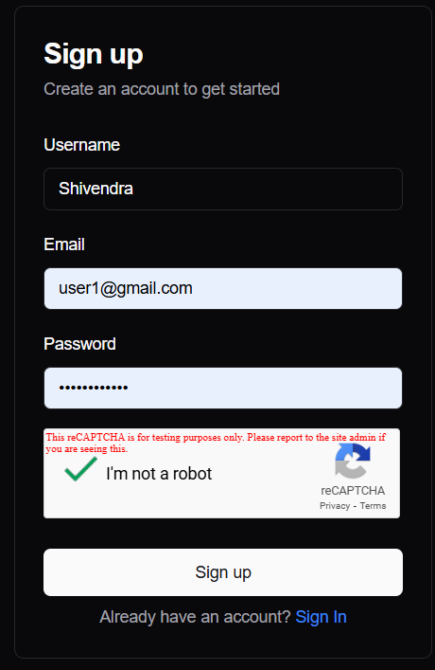 | error message not showing

